XSection Labels
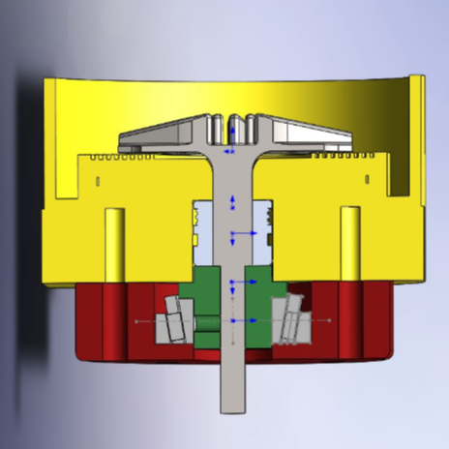

Impeller

Seal

Collar

Thrust Bearing

Shunt
V_{i}

Shunt Resistor

Battery
Controller

